Sheet1
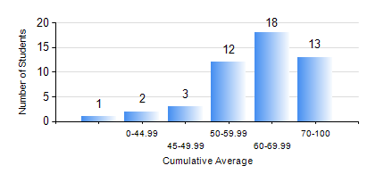
 |  |  | KWAME NKRUMAH UNIVERSITY OF SCIENCE AND TECHNOLOGY, KUMASI Department of Chemical Engineering

 |  |  | BSC. PETROCHEMICAL ENG.

 |  |  | COMPREHENSIVE RECORD OF EXAMINATION RESULTS

 |  |  | RESULTS OF YEAR 1 SECOND SEMESTER, 2023/2024 ACADEMIC YEAR

 | Sn | Course Code |  | Course Name | Credit Hours | Min. Mark | Max. Mark | Avg. Mark | Std. Dev. | No. Passed | No. Trailed | No. (Df) | No. (I) | No. (I*) | No. Tagged(I,I*,Df) | Total
 | 0. |  |  |  |  |  |  | 0 | 0 | 0 | 0 | 0 | 0 | 0 | 0 | 1
 | 1. | CHE 156 |  | PHYSICAL CHEMISTRY FOR ENGINEERS | 2 | 0 | 82 | 50 | 19.98 | 43 | 5 | 0 | 0 | 0 | 0 | 48
 | 2. | EE 152 |  | BASIC ELECTRONICS | 2 | 35 | 82 | 55 | 12.2 | 45 | 3 | 0 | 0 | 0 | 0 | 48
 | 3. | ENGL 158 |  | COMMUNICATION SKILLS II | 2 | 48 | 94 | 77 | 10.33 | 48 | 0 | 0 | 0 | 0 | 0 | 48
 | 4. | MATH 152 |  | CALCULUS WITH ANALYSIS | 4 | 41 | 74 | 60 | 7.59 | 48 | 0 | 0 | 0 | 0 | 0 | 48
 | 5. | ME 162 |  | BASIC MECHANICS | 3 | 27 | 92 | 63 | 15.97 | 46 | 2 | 0 | 0 | 0 | 0 | 48
 | 6. | PCE 158 |  | INTRODUCTION TO INFORMATION TECHNOLOGY | 2 | 43 | 86 | 71 | 9.24 | 48 | 0 | 0 | 0 | 0 | 0 | 48
 | 7. | PHY 170 |  | GENERAL PHYSICS | 3 | 30 | 82 | 60 | 11.65 | 47 | 1 | 0 | 0 | 0 | 0 | 48

